TESLA VALUATION
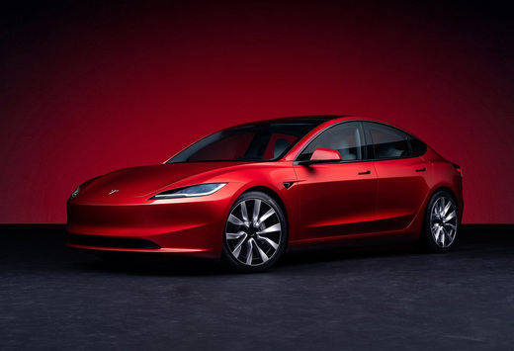
TESLA VALUATION

DELIVERIES
 |  | DELIVERIES

 |  |  |  | ACT. YEAR |  | FORECAST YEAR
 |  | 2021 | 2022 | 2023 | 2024 | 2025 | 2026 | 2027 | 2028 | 2029 | 2030 | 2031
Modele de voiture testa
Model 3/Y |  | 24,980 | 66,705 | 1,739,707 | 1,704,093 | 1,670,011 | 1,703,411 | 1,771,548 | 1,877,841 | 2,028,068 | 2,271,436 | 2,544,008
others Model( S/X, cyber truck) |  | 911,242 | 1,247,146 | 68,874 | 85,133 | 102,160 | 120,548 | 139,836 | 159,413 | 178,543 | 199,968 | 223,964
total |  | 936,222 | 1,313,851 | 1,808,581 | 1,789,226 | 1,772,171 | 1,823,960 | 1,911,384 | 2,037,254 | 2,206,611 | 2,471,404 | 2,767,972

Grow YoY% |  | -
Model 3/Y | - | - | 167% | 2508% | -2% | -2% | 2% | 4% | 6% | 8% | 12% | 12%
others Model( S/X, cyber truck) |  |  | 36.86% | -94.48% | 23.61% | 20% | 18% | 16% | 14% | 12% | 12% | 12%

Pour la prevision des ventes de tesla on prévoit que pour le modele 3 et Y les chiffres vont continuer de chuter pour 2025 mais a partir 2026 ils se stabiliserons pourcommencer une évolution a partir de 2027 jusqu'en 2031.
Pour les autres modeles on prevoit une chutes des ventes pour se stabiliser à 12% à la fin de la prévision.

DELIVERIES TESLA ACTUAL AND FORECAST PERIOD

